Instructions
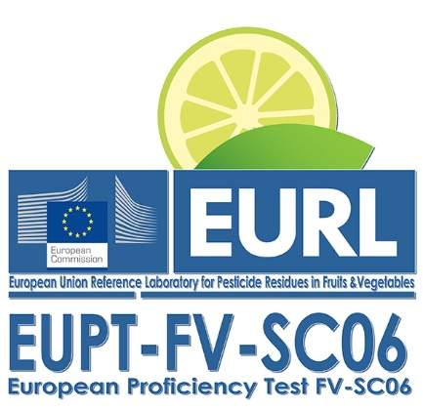
EUROPEAN UNION PROFICIENCY TEST FOR SPECIAL COMMODITIES

Please, introduce your data in the blue fields and send the file to cferrer@ual.es by 9th January 2023

Please, submit your results with this Excel file, and DO NOT INSERT OR DELETE ANY LINE

If you have any question, please contact Carmen Ferrer (cferrer@ual.es)

To submit results for EUPT-FV-SC06 you have to enter your data in the next tab. It contains instructions on how to enter the data.

IMPORTANT: IF THE DROP-DOWN TOOL DOES NOT WORK IN THE CELLS, PLEASE, CHECK THE LAST TAB TO KNOW HOW TO FILL IN THE FORMS

In the "Results" tab please indicate the laboratory scope by filling in the pesticides that you have analysed for with their corresponding limit of quantification (LOQ) in mg/kg. Please do so for all the pesticides of the target list, not only for those that you have detected. For the identified pesticides, please enter your results such as concentration, recoveries, etc. Please remember that many of the fields that you have to fill in are drop-down lists, so you only have to select one of the offered possibilities. If you want to introduce any other text not offered by us, just do so by writing it directly. If the drop-down tool does not work, you can find the different options offered in the last tab: “RESULTS fill in help”

